Final Report Budget Form
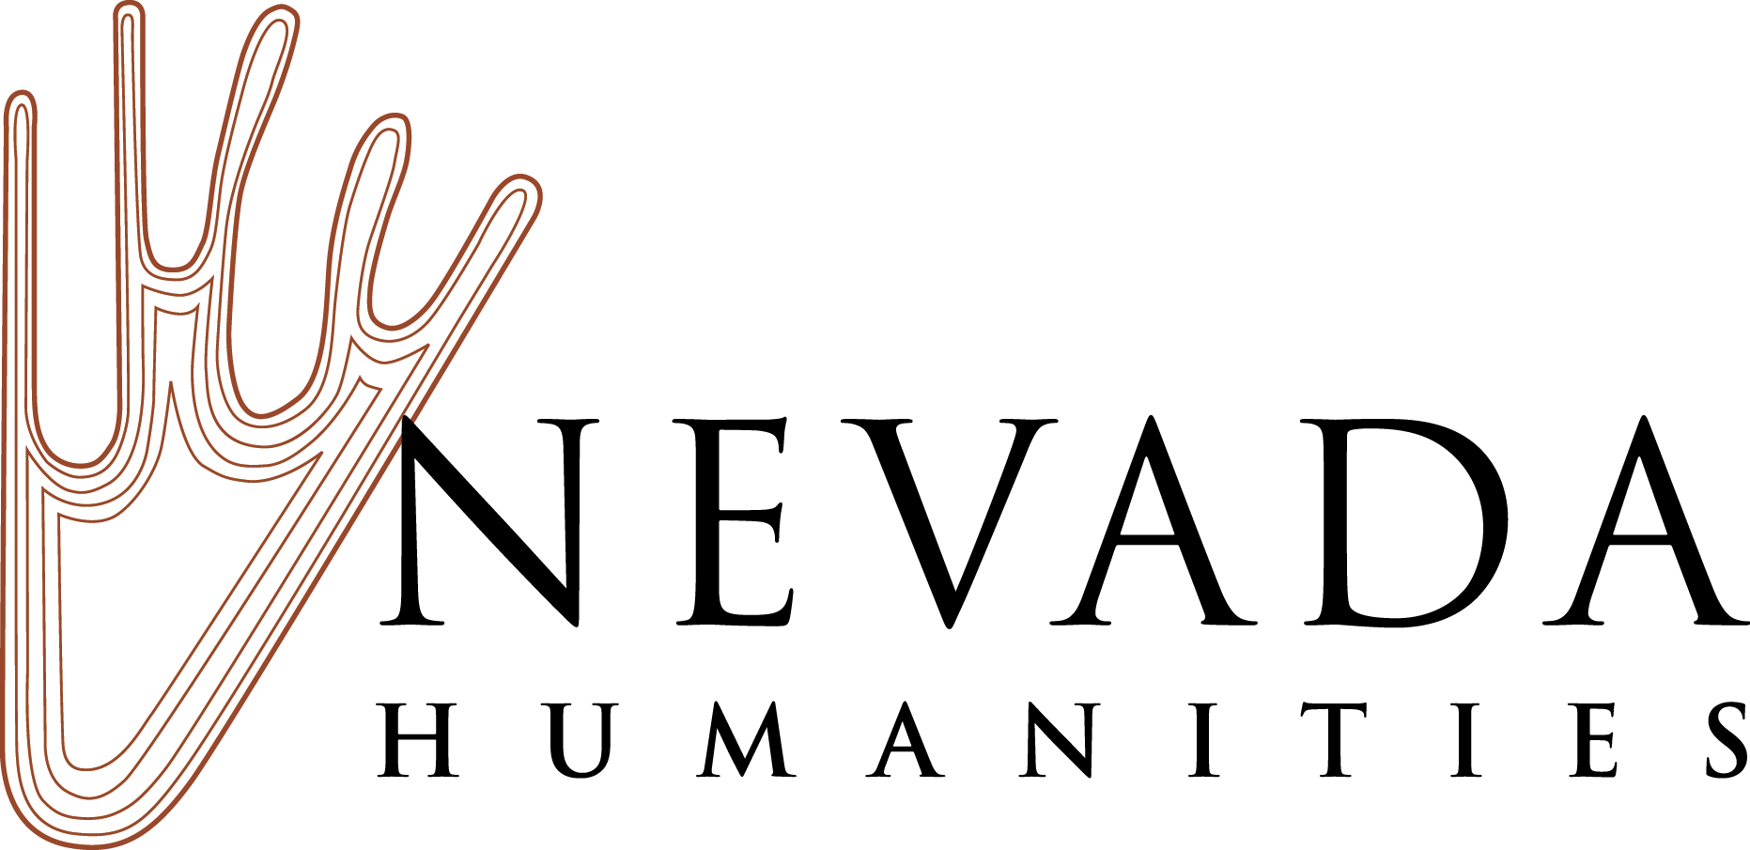 | Fill out the required yellow fields and complete the budget form below. | Please do not change the information in the grey cells. These totals will automatically populate.
 | FY2023-FY2025 Nevada Humanities Final Report Budget Form

Grant Number:

Organization Name:

Major Project Grant Period of Performance: (select your Period of Performance in the box to the right; refer to your grant documents to determine the period of performance for your grant) | FY2023: November 1, 2022 - October 31, 2023
Major Project Grants Granted Period of Performance Extensions, Mini-Grant, or Planning Grant Period of Performance (enter your Period of Performance in the box to the right; refer to your grant documents to determine the period of performance for your grant)

Nevada Humanities Award Amount: (enter the amount of your award)

Organization’s Final Cost Share: (do not enter information here - this field will autofill from the worksheet below) | $0.00

Unused Funds (do not enter information here - this field will autofill from the worksheet below) | $0.00

Project Budget
Fill out the form below. Please provide clear descriptions and detail in the Notes column for the expenses you incurred. Feel free to provide additional notes or information beneath the form. Feel free to add additional lines as needed in each section.

Project Expenses | Notes and Expense Detail | Itemized Nevada Humanities Grant Funds Spent | Final Cost Share Organization’s Funds Nevada Humanities project grants require you to match the grant at least 1:1. This total match/cost share must be equal to, or greater than, the amount of the grant request. At least 15% of the grant request must be matched with cash. After you meet your 15% minimum cash match, you may match the remaining funds with a mixture of cash and in-kind cost share. Your cost share should include the total cost of your project even if it exceeds your 1:1 match requirement. |  | Total
 | Provide itemized detail in this column that explains each of your expenses. | Include the amount of Nevada Humanities grant funding that was spent on the costs below. This column’s total should equal the amount of grant funding awarded, unless you are returning unused grant funds. | Cash Cost Share: List organization’s cash contributed in each category (this includes grants, donations, etc.). | In-Kind Cost Share: List the values for In-kind donations of services, facilities, publicity, etc., contributed in each category. | Do not enter information in this column. The totals will automatically add in the rows below.
Permanent Personnel (salary and benefits) |  | NH project grants do not pay for permanent personnel, but salaries and benefits may be included as cash cost share. |  |  | $-
 |  | - |  |  | $-
 |  | - |  |  | $-
Contracted Services |  |  |  |  | $-
 |  |  |  |  | $-
 |  |  |  |  | $-
Honoraria and Artistic Fees |  |  |  |  | $-
 |  |  |  |  | $-
 |  |  |  |  | $-
Travel, Per Diem, and Lodging |  |  |  |  | $-
 |  |  |  |  | $-
 |  |  |  |  | $-
Promotion/Marketing |  |  |  |  | $-
 |  |  |  |  | $-
 |  |  |  |  | $-
Technical Services |  |  |  |  | $-
 |  |  |  |  | $-
 |  |  |  |  | $-
Facilities |  |  |  |  | $-
 |  |  |  |  | $-
 |  |  |  |  | $-
Supplies |  |  |  |  | $-
 |  |  |  |  | $-
 |  |  |  |  | $-
Other Costs (describe here or in notes section) |  |  |  |  | $-
 |  |  |  |  | $-
 |  |  |  |  | $-
TOTALS |  | $0.00 | $0.00 | $0.00 | $0.00

 |  |  |  | Total NH Grant Funds Spent | $0.00
 |  |  |  | Total Cash Cost Share + Total In-Kind Cost Share | $0.00
Sources of Project Income |  |  |  | Total Project Costs | $0.00
List any sources of cash and in-kind support for your project in the space below. For example, list sources for your organization's own funds, grants, donations, sponsorships, registration fees, ticket sales, and other sources of income.

Source of income | Amount

Total | $0.00

Are any matching/cost share funds federal funds?

If you select yes, please note the amount of federal funds included in your cost share here:

Additional Budget Notes: (add any additional notes you may have here)

Uploading the Budget Form into Your Final Report
After you complete the Budget Form, upload the form into your Nevada Humanities final report using Nevada Humanities Foundant online grant portal.

Period of Performance
Your grant Period of Performance depends on the type of grant you are applying for. The Period of Performance for FY2023 Major Project Grants is November 1, 2022 – October 31, 2023 (application deadline September 1, 2022). The Period of Performance for Mini-Grants and Planning Grants begins with the date of the grant award and ends on the date of the completion of the last public event or public component of the project. For the purposees of this application, estimate your Period of Performance for Mini-Grant and Planning Grant applications. If your grant application is successful, Nevada Humanities will assign your final Period of Performance when your grant is awarded. All grant expenses must be expended within the appropriate window of time determined by the Period of Performance.

Matching Funds and Cost Share
Nevada Humanities project grants are for the development and implementation of public humanities projects and require you to match the grant at least 1:1. The total match (also known as cost share) must be equal to, or greater than, the amount of the grant request. At least 15% of the grant request must be matched with cash. After you meet your 15% minimum cash match, you may match the remaining funds with a mixture of cash and in-kind cost share. We encourage you to include all of your appropriate project costs in your cash and in-kind match. Your cost share should include the total cost of your project even if it exceeds your 1:1 match requirement. Cost share is the portion of project costs not paid by federal funds during the grant period of performance. In short, more than one entity shares in the costs of the project with the grantor supplying some of the project funds and the grantee supplying the remainder of the project funds. Cost share funds may consist of applicant cash or third party in-kind contributions. This might include expenses not paid for by your Nevada Humanities project grant, including salary and benefits, facilities and other operating costs, and additional program costs leveraged by your grant. Note that you may not use federal funds as cost share.

Desk Audit
Each year Nevada Humanities selects a number of grants to undergo a routine Desk Audit. This process is part of our use of federal funds for subawards compliance process and required by our auditors. If your application for funding is successful and you receive notification in your Grant Agreement that your grant award was selected for a Desk Audit by Nevada Humanities, you must complete the Desk Audit Cover Sheet provided with your final report and include source documentation for grant and cost share expenditures with your final report where requested in the Foundant Desk Audit Form. This includes documentation for cash expenditures and cash and in-kind cost share. Examples include, but are not limited to, copies of invoices, checks, emails, and noted calculations for values (such as in-kind amounts for donated time and services). If your grant is selected for a Desk Audit, you will be asked to combine all backup documents into a single PDF and upload the required Desk Audit materials as a PDF into the Foundant Desk Audit Form where instructed.

